White Box Test
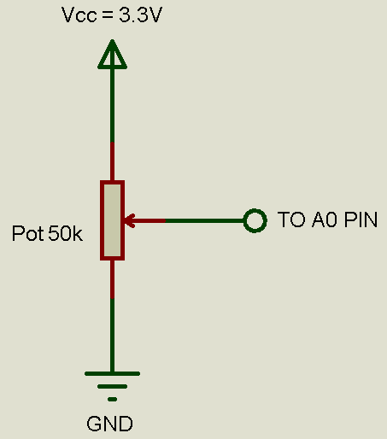
Project: | "PID Control of a DC Motor" | Nota: Las pruebas a realizar son las mismas que se realizaron para el PR "PID Control Without UI", únicamente se añadió la prueba DI-005.
Date: | 2019-10-25
Issue: | Display Implementation With GUIX Studio
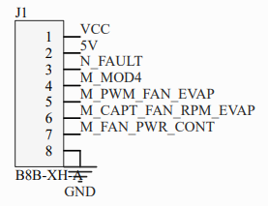
Issue ID: | 9 |  |  |  |  | 1. Vcc -> TO 12V
Pull Request Name: | Display |  |  |  |  | 2. 5V -> TO 5V OR 3.3V
Pull Request ID: | 31 |  |  |  |  | 3. N_FAULT -> UNUSED
Branch Name: | Display |  |  |  |  | 4. M_MOD -> TO 5V OR 3.3V
Developer: | Irvin Ramírez |  |  |  |  | 5. M_PWM_FAN_EVAP -> TO P46
Tester: | Juan Luis Nepomuceno |  |  |  |  | 6. M_CAPT_FAN_RPM_EVAP -> TO P13
 |  |  |  |  |  | 7. M_FAN_PWR_CONT -> UNUSED
 |  |  |  |  |  | 8. GND -> TO GND
Test ID | Test Description | Expected Results | Actual Results
DI-001 | Connect a 50 kΩ potentiometer to A0 pin (on the Renesas Synergy SK-S7G2 Board) as shown in figure 1. Connect the power board to the Microcontroller Board as shown in figure 2. Then plug the USB cable to the PC and to the Board through J19 (DEBUG_USB). | The Renesas Synergy SK-S7G2 is energized and the LEDs 1-4 may be ON. | PASS | Figure 1 | Figure 2
DI-002 | On the PC open the branch under test in the e2studio IDE. Once it is loaded, press the Debug Button. Then add the expressions "setPointInRpm", "measuredSpeedInRpm" and "outputValue" to the Expressions Tab. Right click the expressions and set the "Real-time refresh" property. | An "R" appears in the left side of the expressions. | PASS
DI-003 | Set the potentiometer output to GND. Press the Resume Button (F8) twice. | "setPointInRpm" should be equal to 0, "measuredSpeedInRpm" should tend to 0 and "outputValue" should tend to 100. | PASS
DI-004 | Sweep smoothly the potentiometer position from the GND side to the Vcc side. Use a multimeter if you do not know how to identify the GND and Vcc sides. | "setPointInRpm" should increase its value from 0 to 3000 and "measuredSpeedInRpm" should tend to the "setPointInRpm" value. "outputValue" should have a changing value that tends to 100 when "measuredSpeedInRpm" is close to "setPointInRpm". The motor speed should increase as the "setPointInRpm" value increases. | PASS
DI-005 | Compare "setPointInRpm", "measuredSpeedInRpm" and "outputValue" values in the "Expressions Tab" with "Set Point" , "Speed" and "Duty cycle" values respectively on the display screen. | "setPointInRpm" should be equal to "Set Point", "measuredSpeedInRpm" should be equal to "Speed" and "outputValue" should be equal to "Duty cycle". | PASS

